Instructions
1. Employee Name (Last Name, First Name).
2. Employee Title.
3. Employee Department.
4. Use drop down menu to select correct pay period.
5. Supervisor Name.
6. Employee Pay Rate.
7. Legal Holiday date will be highlighted in yellow.
8. Fixed Furlough date will be highlighted in green.

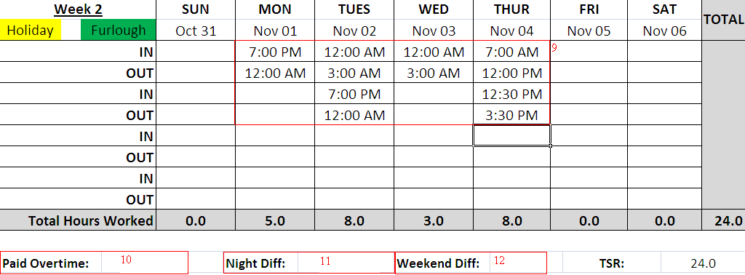

9. Hours must be indicated on the correct dates.
a. There must be a colon between the hours and minutes worked.
b. Time must be indicated to be either am or pm.
c. 12:00 am is the same as midnight.
d. 12:00 pm is the same as noon.
10. Paid Overtime will be automatically calculated by the hours entered in the pay period.
11. Night Differential will be automatically calculated by the hours entered in the pay period.
12. Weekend Differential will be automatically calculated by the hours entered in the pay period.

14. Please remember that timesheets are still required to be printed off the computer,
 | signed & dated by you and your supervisor, and submitted to payroll for processing by the due date on the payroll schedule.

